1
 | FURUKAWA AUTOMOTIVE SYSTEMS LIMA PHILIPPINES, INC. |  |  |  |  | Employee Management System Work Instructions |  |  |  |  |  | DOCUMENT TYPE: | WORK INSTRUCTION | PAGE NO.: | 1 / 2
 |  |  |  |  |  |  |  |  |  |  |  | DOCUMENT NO.: | REVISION NO.: | EFFECTIVITY DATE:
 |  |  |  |  |  |  |  |  |  |  |  | 1 | 0
CAR MODEL |  | MATERIALS |  |  |  |  |  | DEVICES / EQUIPMENT USED |  |  | REFERENCE
N/A |  | Computer Application |  |  |  |  |  | Computer |  |  | N/A

FORMS |  |  |  |  | PURPOSE |  |  |  | SCOPE
 |  |  |  |  | To provide work instructions on how to update the line no., process, and shift group using the Employee Management System. |  |  |  | To detail the process on how to update the line no., process, and shift group using the Employee Management System.


Get started by going to your dektop and look for your Employee Management System Logo. URL : http://172.25.116.188:3000/emp_mgt/
1
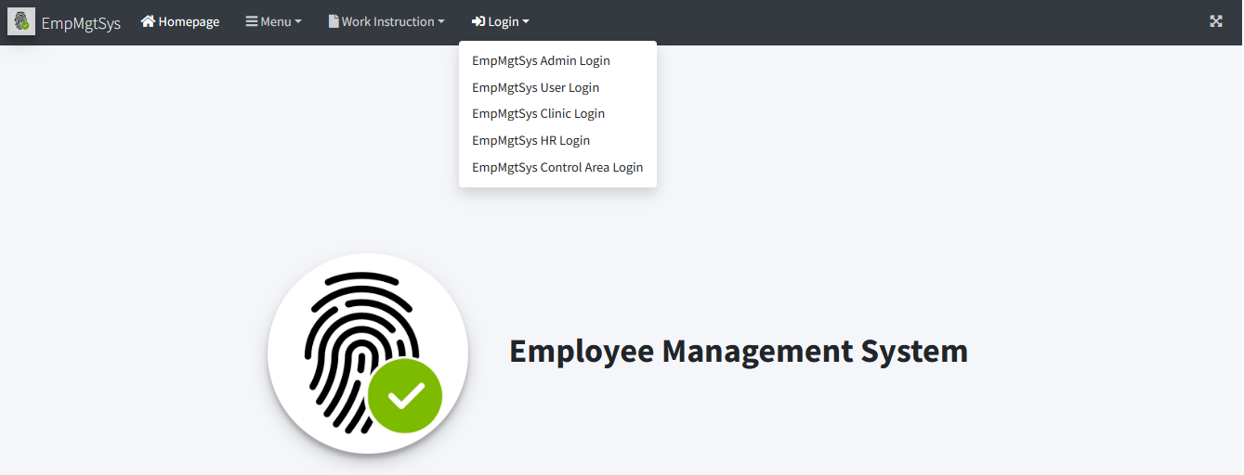
Choose "EmpMgtSys Control Area Login" Menu Item.
3
EmpMgtSys Control Area Login

5.1

You may search for the employee list by typing or filtering on input fields

 |  |  |  |  |  |  |  |  |  | Amazon.com: Ethernet Cable Labels
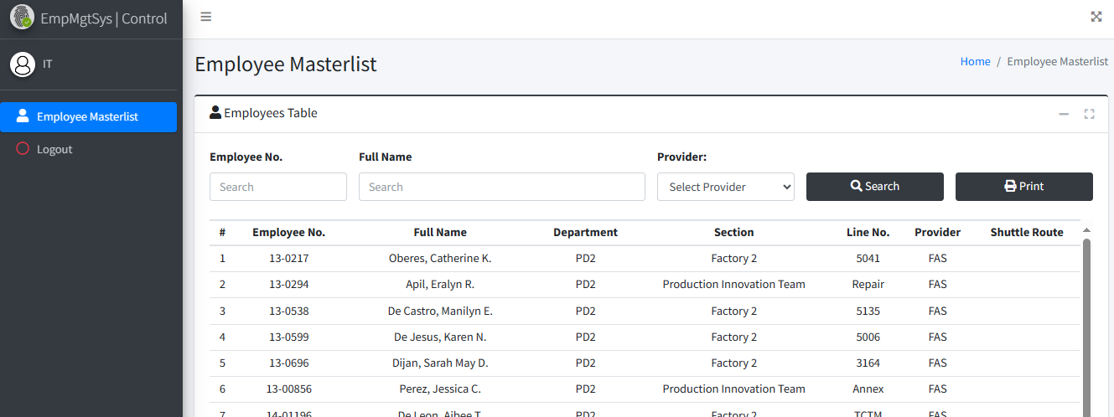

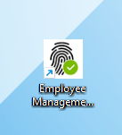

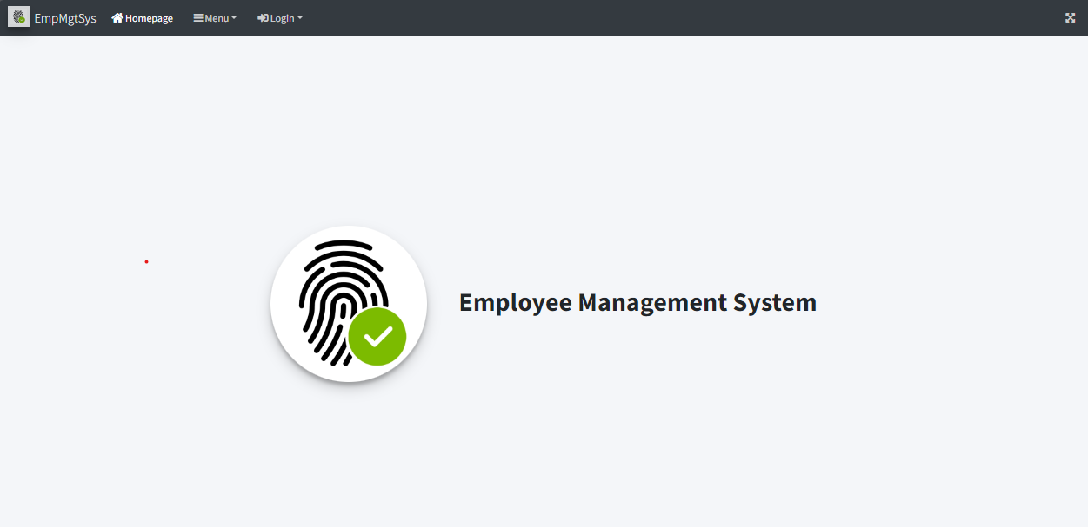
Access Employee Management System - Viewer Page
2

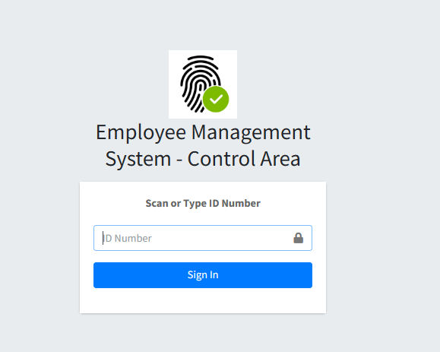
Login to Employee Management System - Control Area using Control Area Account Credentials (Only for Staff and Supervisor). . Enter the ID number to access the system.
4

 |  |  |  |  |  |  |  |  |  |  |  |  |  |  |  | s

0
DR/CN No. |  |  | Revision No. | Effectivity Date |  |  | Details of change
 |  |  | 0 |  |  |  | First Issue

2
 | FURUKAWA AUTOMOTIVE SYSTEMS LIMA PHILIPPINES, INC. |  |  |  |  | Employee Management System Work Instructions |  |  |  |  |  | DOCUMENT TYPE: | WORK INSTRUCTION | PAGE NO.: | 2 / 2
 |  |  |  |  |  |  |  |  |  |  |  | DOCUMENT NO.: | REVISION NO.: | EFFECTIVITY DATE:
 |  |  |  |  |  |  |  |  |  |  |  | 1 | 0
CAR MODEL |  | MATERIALS |  |  |  |  |  | DEVICES / EQUIPMENT USED |  |  | REFERENCE
N/A |  | Computer Application |  |  |  |  |  | Computer |  |  | N/A

FORMS |  |  |  |  | PURPOSE |  |  |  | SCOPE
 |  |  |  |  | To provide work instructions on how to update the line no., process, and shift group using the Employee Management System. |  |  |  | To detail the process on how to update the line no., process, and shift group using the Employee Management System.

Click your desired row from the table.
5.2
Type updated employees information from the input fields provided. Only Line No., Process and Shift Group input fields are enabled. Click Update Employee Button to update single employee information.
5.3

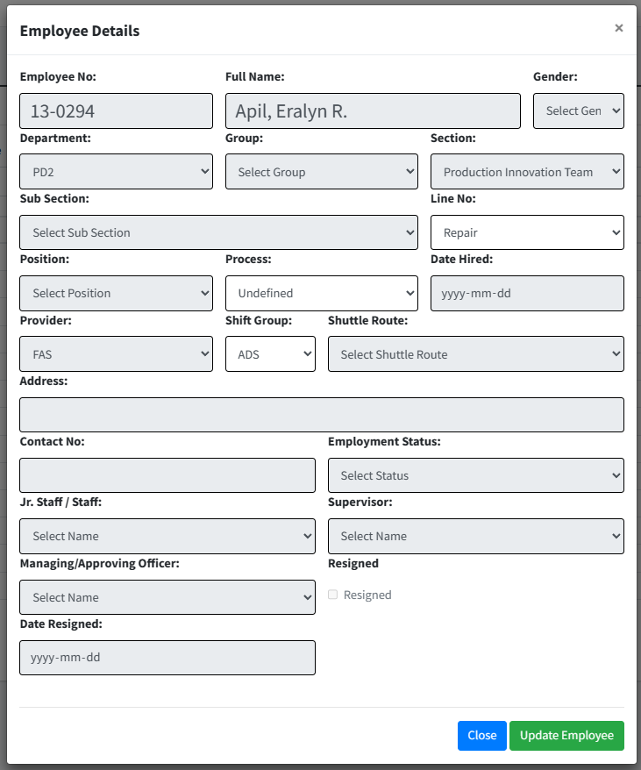

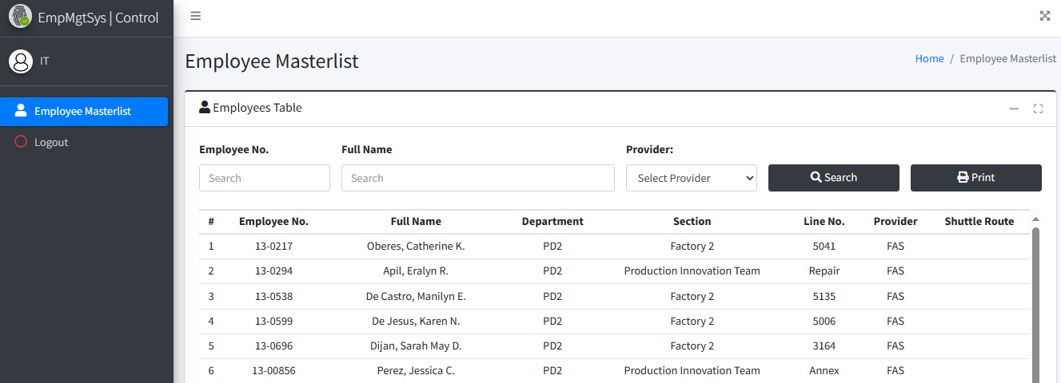
 |  |  |  |  |  |  |  |  |  | Amazon.com: Ethernet Cable Labels

 |  |  |  |  |  |  |  |  |  |  |  |  |  |  |  | s

0
DR/CN No. |  |  | Revision No. | Effectivity Date |  |  | Details of change
 |  |  | 0 |  |  |  | First Issue

